Sheet1
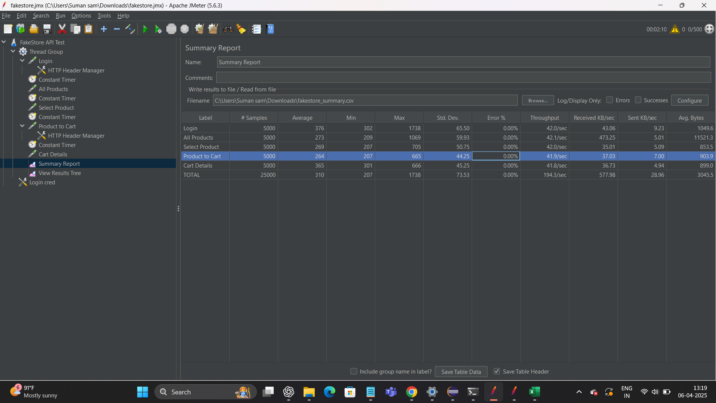
 |  | PT

1 | Load Test

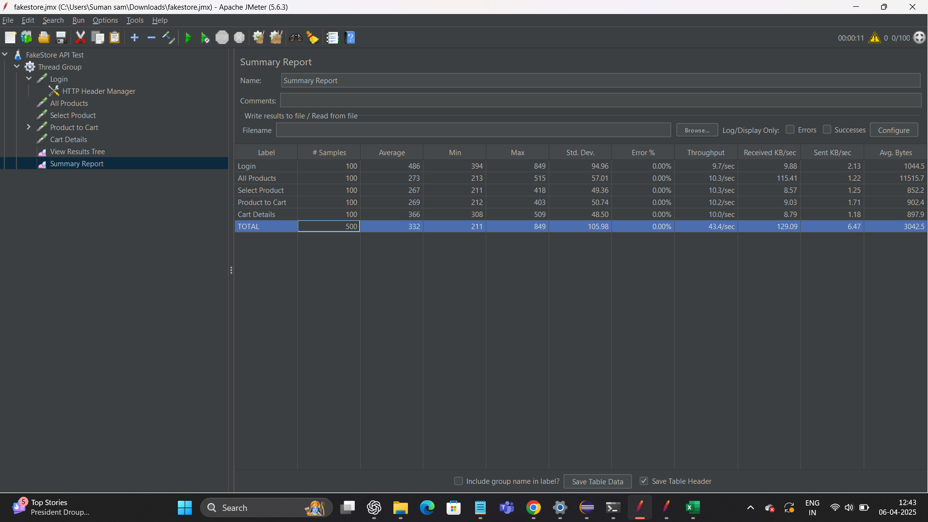

T_N | ART (s)
Login | 486
All Product | 273
Select product | 267
Product to cart | 269
Cart Details | 332

Stress

